Cover
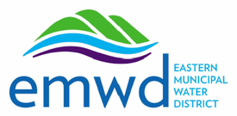

 |  | Attachment E
Eastern Municipal Water District
Interface Approach

 | Prime Proposer's Name: |  | Enter-Name-Here

PLEASE NOTE:
For all interfaces EMWD expects to maintain or may maintain please proide
details on your approach. All of these must also be included in the Cost Matrix.

